Foglio1
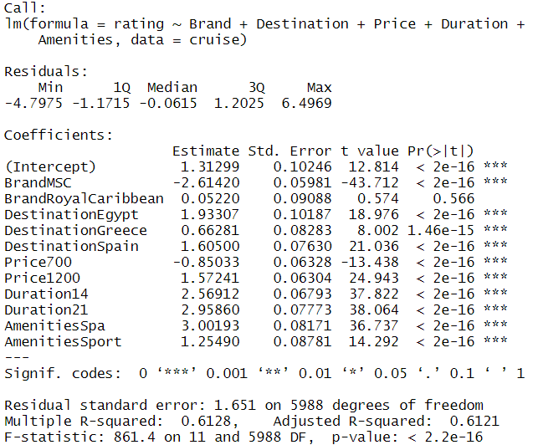
Obective: a cruise company (e.g. Costa) would like to add a new cruise line proposal for the summer season of 2023. It is considering making a customer survey and conducting a traditional conjoint analysis of potential service profiles
Models | Analysis in the models | Results | Summary
Linear regression model |  | 1. All coefficients different from zero --> all the attributes are important for the customers
 |  | 2. Brand Royal Caribbean equal to zero
 |  | 3. Brand MSC, Amenities and Duration stronger effect
 |  | 4. Customers prefer longer voyages
 |  | 5. Price: 300 preferred to 700, but 1200 preferred to 300

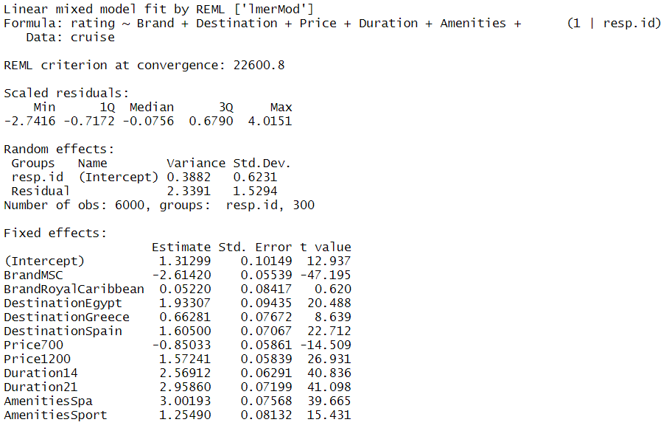
Random intercept multilevel linear model |  | Estimates of the coefficients are the same of the linear regression

 | Restricted model | To simplify the model, we try to eliminate Destination because the estimates of its levels have not a great magnitude. But the full model have less AIC and BIC --> greater goodness of fit.

 | Confidence Intervals | a. The only confidence interval which includes zero is the one of the Brand Royal Caribbean (also the lowest in absolute terms).
 |  | b. All intervals are positive, except for Price700 and Brand MSC. If we assume the pov of Costa, our brand seems to be stronger in shaping the consumers' preferences than the MSC one.

 | Fixed and Random effects | a. Random effects of the intercept vary from -1 to 1, hence they have a non negligible variance
 |  | b. The distribution of the random effects of the intercept has 2 bumps (one greater than the other), in fact mean > median

 | Intraclass correlation coefficient | The across-groups variability (heterogeneity between groups) explains 14% of the overall variability of the model --> Non-negligible share, so using the grouping structure improves the estimates of the parameters.
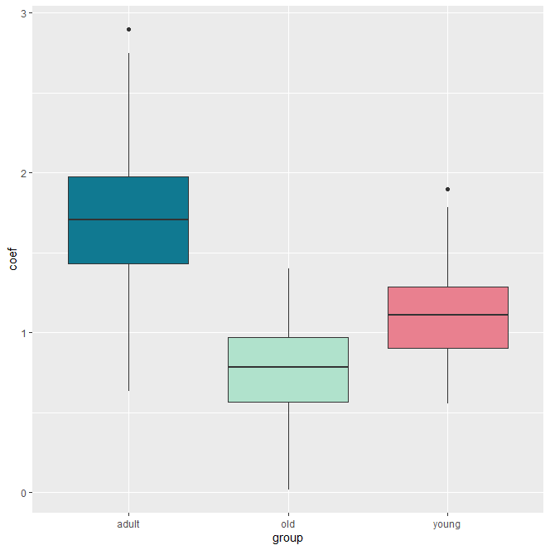
 | Ad-hoc R-squared | The random intercept model explains about 61% of the variance of the ratings above that accounted for in the null model.

 | Differences between age groups | a. Adults assign the highest ratings to the cruise experience, followed by young respondents and, at last, the older ones --> The cruise company should focus on adults as their main target customers
 |  | b. Adults has also the greatest heterogeneity (greatest variance in the density plot)

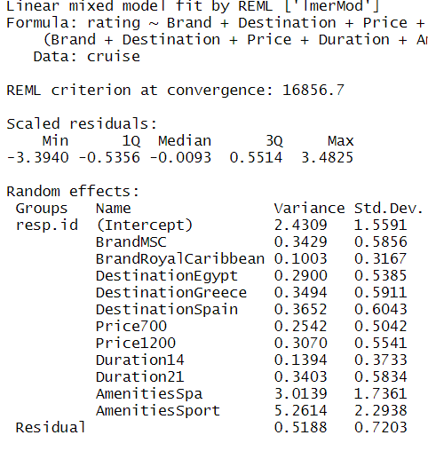
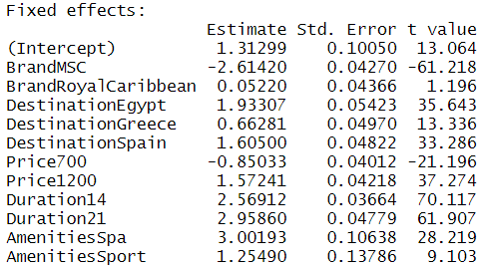
Random slope model |  | a. The estimates of the parameters are the same of the random intercept model and the linear regression. However, in this case they represent the averages of the distributions of the estimates calculated for every respondent.

 | Random effects | a. The random effects with the highest variability are Intercept and Amenities
 |  | b. Duration and Destination not high variability

 | Restricted models | Models with Duration and destination having just fixed effects have not a greater goodness of fit of the original model --> we keep the full model

 | Differences between age groups | a. Amenities --> Only young consumers exhibit some coefficients lower than zero: there is a higher variability in their preferences. Moreover, young preferes animation to sport. Instead, adults value sport amenities a lot, hence if the cruise company wants to be more atrictive for this segment, it should increase the level of sport on the cruise offers.
 |  | b. Destination --> There are not considerable differences among age groups between different destinations. Adults have the highest variability (constant element in almost all the analysis) and with greater mean and median.
 |  | c. Price --> Price700 has negative estimates for all the age groups. The highest in absolute terms is the youngest one (maybe guys prefer exciting experiences, which could be also more expensive). Same happens for Price1200, where young customers are the one with the greatest positive estimate.

